Offer
 |  |  |  |  |  |  |  |  |  |  |  |  |  |  |  | 39116 |  | € 960,330.00 |  | € 1,920,660.00 | MOQ 10.000
PIC | Brand | Category | Gender | Group | Qty/Pack | SKU | Material | Color | XS | S | M | L | XL | XXL | XXXL | QTY | WHS | Total WHS | RRP | Total RRP | Sales Price per pack
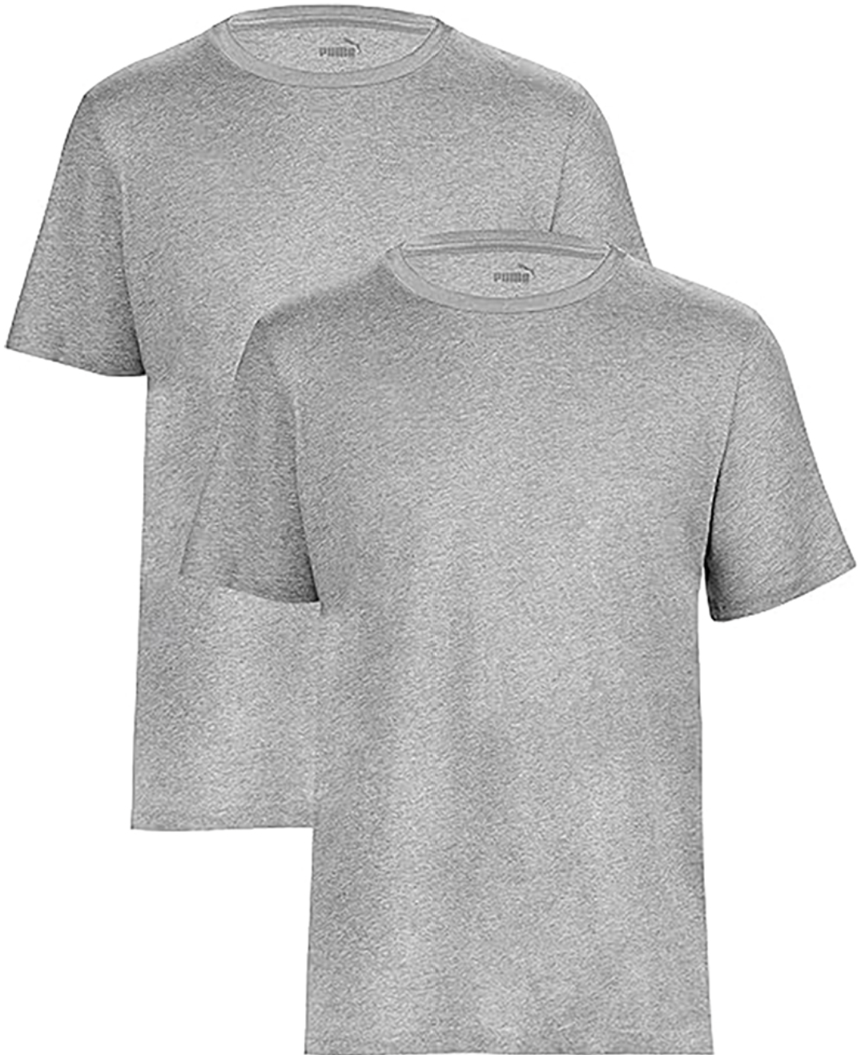 | PUMA | APPAREL | Men | Cotton T-Shirts | 2-Pack | 683509 01-2 | 97% cotton / 3% elastane | Grey Heather |  | 279 | 776 | 1882 | 900 | 407 | 152 | 4396 | € 20.00 | € 87,920.00 | € 40.00 | € 175,840.00 | € 11.95
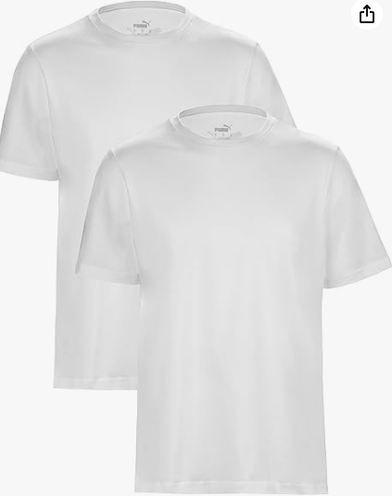 | PUMA | APPAREL | Men | Cotton T-Shirts | 2-Pack | 678256 01-2 | 97% cotton / 3% elastane | White |  | 146 | 1082 | 2516 |  |  |  | 3744 | € 20.00 | € 74,880.00 | € 40.00 | € 149,760.00 | € 11.95
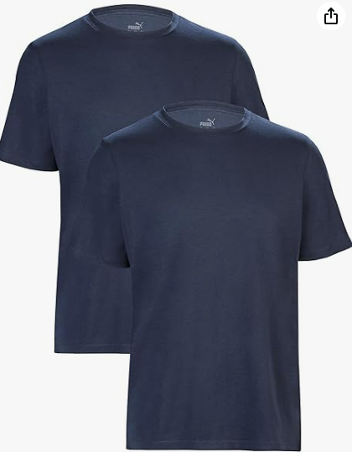 | PUMA | APPAREL | Men | Cotton T-Shirts | 2-Pack | 683509 02-2 | 97% cotton / 3% elastane | Navy | 53 | 224 | 943 | 1780 | 837 | 392 | 78 | 4307 | € 20.00 | € 86,140.00 | € 40.00 | € 172,280.00 | € 11.95
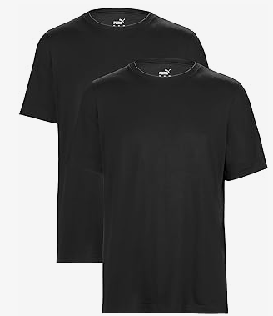 | PUMA | APPAREL | Men | Cotton T-Shirts | 2-Pack | 678256 02-2 | 97% cotton / 3% elastane | Black |  | 20 | 3700 | 3936 |  | 990 | 222 | 8868 | € 20.00 | € 177,360.00 | € 40.00 | € 354,720.00 | € 11.95
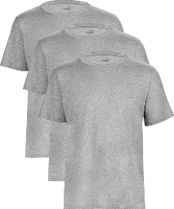 | PUMA | APPAREL | Men | Cotton T-Shirts | 3-Pack | 683509 01-3PK | 97% cotton / 3% elastane | Grey Heather |  | 179 | 1400 | 3126 | 1458 | 781 | 156 | 7100 | € 30.00 | € 213,000.00 | € 60.00 | € 426,000.00 | € 16.95
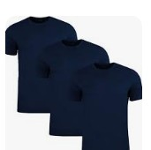 | PUMA | APPAREL | Men | Cotton T-Shirts | 3-Pack | 683509 02-3PK | 97% cotton / 3% elastane | Navy |  | 116 | 588 | 1188 | 594 | 236 | 58 | 2780 | € 30.00 | € 83,400.00 | € 60.00 | € 166,800.00 | € 16.95
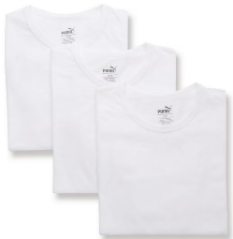 | PUMA | APPAREL | Men | Cotton T-Shirts | 3-Pack | 678256 01-3PK | 97% cotton / 3% elastane | White |  | 121 | 631 | 1279 | 639 |  |  | 2670 | € 30.00 | € 80,100.00 | € 60.00 | € 160,200.00 | € 16.95
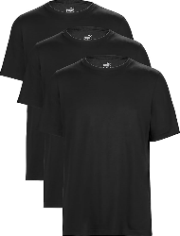 | PUMA | APPAREL | Men | Cotton T-Shirts | 3-Pack | 678256 02-3PK | 97% cotton / 3% elastane | Black |  | 184 | 844 | 2587 | 1083 | 439 | 114 | 5251 | € 30.00 | € 157,530.00 | € 60.00 | € 315,060.00 | € 16.95
 |  |  |  |  |  |  |  |  |  |  |  |  |  |  |  | 39116

